Map
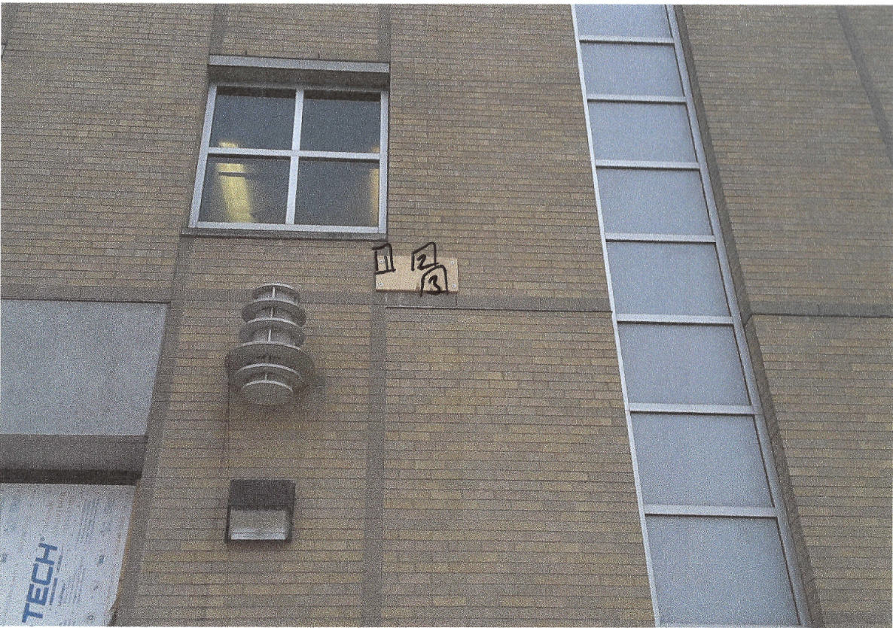

Survey No | INIS-010420-894
Date | 2020-01-03
Survey Tech | D. Beckstrom
Count Room Tech | P. Ray
Date Counted | 2020-01-04
Survey Type | Characterization
Level of Posting | RCA
Comments

